Sheet1
OLIMEX Prototype Development Board for LPC-P2148

Adaption Info For T-962 Reflow Oven Firmeware Development
Product web page: https://www.olimex.com/Products/ARM/NXP/LPC-P2148/

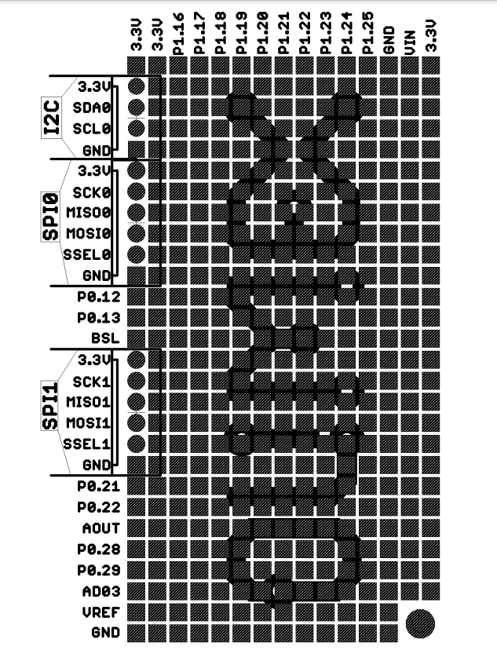
 | MCU | T962 | Devlp
I/O | pin # | Port | PCB | Remapped
Buttons
S | 55 | P0.20 | SSEL1 | x
F4 | 27 | P0.4 | SCK0 | x
F3 | 46 | P0.16 | B2 | P0.6 | Button 2 | MOSI0 (P0.6)
F2 | 45 | P0.15 | B1 | P0.5 | Button 1 | MISO0 (P0.5)
F1 | 58 | P0.23 | R35 | P0.17 |  | SCK1 (P0.17)

LCD
20, K | - | - | - | -
19, A | - | - | - | -
18, VOUT | - | - | - | -
17, RST | - | P0.11 | R26 | - | LED2 (Red)
16, CS2 | 38 | P0.12 | P0.12 | x | BUZZ1
15, CS1 | 39 | P0.13 | P0.13 | x | BUZZ2
14, DB7 | 36 | P1.23 | P1.23 | x
13, DB6 | 40 | P1.22 | P1.22 | x
12, DB5 | 44 | P1.21 | P1.21 | x
11, DB4 | 48 | P1.20 | P1.20 | x
10, DB3 | 4 | P1.19 | P1.19 | x
9, DB2 | 8 | P1.18 | P1.18 | x
8, DB1 | 12 | P1.17 | P1.17 | x
7, DB0 | 16 | P1.16 | P1.16 | x
6, E | 53 | P0.18 | P0.18 | x | MISO1
5, R/W | 54 | P0.19 | P0.19 | x | MOSI1
4, RS | 2 | P0.22 | P0.22 | x
3, V0 | - | - | - | - | LCD Contrast
3, VDD | - | - | - | - | 5V
1, VSS | - | - | - | - | GND

LED
RED | 17 | P0.31 | P0.31 | Connect | USB_LINK, LED (Yellow)

2K I2C EEPROM
SCL | 22 | P0.2 | SCL0 | x | I2C
SDA | 26 | P0.3 | SDA0 | x | I2C

BUZZER
1, 5V transistor |  | PO.21 |  | x

 |  |  |  |  |  |  |  | I/O | Port | T962 |  | Remapped
 |  |  |  |  |  |  |  | SDA0 | P0.3 | AT24C02 ( EEPROM ) |  | x
 |  |  |  |  |  |  |  | SCL0 | P0.2 | AT24C02 ( EEPROM ) |  | x
 |  |  |  |  |  |  | SPI0 | SCK0 | P0.4 | F4 (Keypad) |  | x
Remapping Keypad #defines in src file keypad.c |  |  |  |  |  |  |  | MISO0 | P0.5 | N/C |  | P0.5 | F2 (Button)
#define F1KEY_PORTBIT (1 << 17) // P0.17 remapped from P0.23 |  |  |  |  |  |  |  | MOSI0 | P0.6 | N/C |  | P0.6 | F3 (Button)
#define F2KEY_PORTBIT (1 << 5) // P0.5 remapped from P0.15 |  |  |  |  |  |  |  | SSEL0 | P0.7 | TREF (DS18B20)
#define F3KEY_PORTBIT (1 << 6) // P0.6 remapped from P0.16 |  |  |  |  |  |  |  | BSL | P0.14 | ISP
#define F4KEY_PORTBIT (1 << 4) // P0.4 |  |  |  |  |  |  | SPI1 | SCK1 | P0.17 | N/C |  | P0.17 | F1 (Button)
#define SKEY_PORTBIT (1 << 20) // P0.20 |  |  |  |  |  |  |  | MISO1 | P0.18 | E (LCD)
 |  |  |  |  |  |  |  | MOSI1 | P0.19 | R/W (LCD)
 |  |  |  |  |  |  |  | SSEL1 | P0.20 | S (Keypad)
 |  |  |  |  |  |  |  | AOUT | P0.25 | AD0 (System Fan Control Mod)
 |  |  |  |  |  |  |  | AD03 | P0.30 | N/C
 |  |  |  |  |  |  |  | P0.12 |  | CS2
Default Unused pin Mask |  |  |  |  |  |  |  | P0.13 |  | CS1
FIO0MASK = 0b01001101000000100000010001100000; // '0' enables & '1' disables P0.x pins |  |  |  |  |  |  |  | P0.21 |  | R12 | Buzzer
P0.5 |  |  |  |  |  |  |  | P0.22 |  | RS
P0.6 |  |  |  |  |  |  |  | P0.28 |  | TC1
P0.10 |  |  |  |  |  |  |  | P0.29 |  | TC2
P0.17 |  |  |  |  |  |  |  | P1.24 |  | N/C
P0.24 |  |  |  |  |  |  |  | P1.25 |  | N/C
P0.26
P0.27
P0.30

Remapped pins changes (using: P0.5, P0.6, P0.17, instead of: P0.15, P0.16, P0.23 )
FIO0MASK = 0b01001101100000011000010000000000; // '0' enables & '1' disables P0.x pins
P0.10
P0.15
P0.16
P0.23
P0.24
P0.26
P0.27
P0.30

No Changes needed to FI0DIR Register for remapped inputs
FIO0DIR = 0b10000010011011000011101100000001; // Default output pins ('0' is input, '1' is output)
P0.0
P0.8
P0.9
P0.11
P0.12
P0.13
P0.18
P0.19
P0.21
P0.22
P0.25
P0.31

 | uint8_t | minval | maxval | 1 byte unsigned |  | 0 to 255
 | int8_t | offset |  | 1 byte signed |  | -128 to 127
 | int16_t |  |  | 2 bytes signed |  | -32,768 to 32,768
 | uint16_t |  |  | 2 byte unsigned |  | 0 to 65,535

50 | 250 |  | -350 |  | 0.002
150 | 250 |  | -50 |  | 0.004
155 | 255 |  | 5 |  | 0.005
minVal | maxVal | Raw Val | offset | offsetVal | multiplier | MultipliedVal
155 | 255 | 50 | -350 | 400 | 0.002 | 0.800
 |  | 250 |  | 600 |  | 1.200
 |  | 12 |  | 362 |  | 0.724
 |  | 13 |  | 363 |  | 0.726
 |  | 14 |  | 364 |  | 0.728
 |  | 15 |  | 365 |  | 0.730
 |  | 16 |  | 366 |  | 0.732
 |  | 17 |  | 367 |  | 0.734
 |  | 18 |  | 368 |  | 0.736

